Form Responses 1
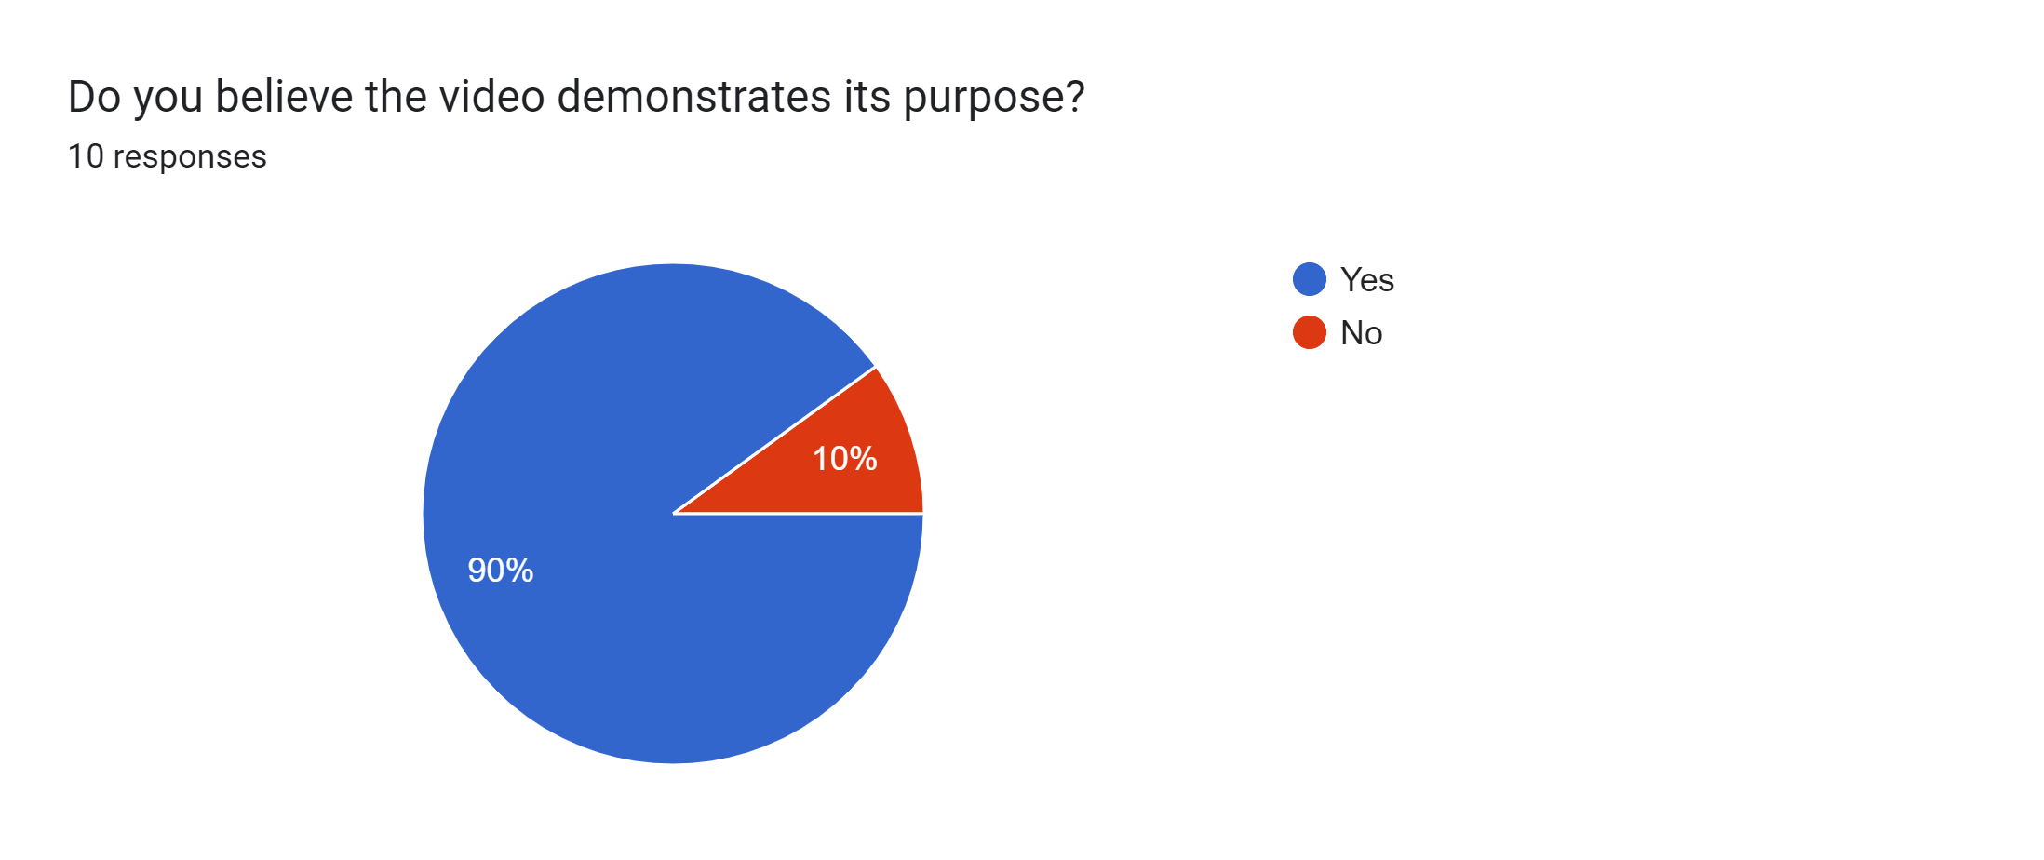
Timestamp | Consent to participate | Did the colouring of the video influence how it made you feel? | How did you perceive the lighting and camera angles? | Did the sound of the video influence how it made you feel? | What do you believe the purpose of the video was? | What sort of company or person would produce an advert such as this? | What do you believe the storyline of the advertisement was? | Do you believe the video demonstrates its purpose? | What could be added to fulfil the adverts intended purpose? | Is there anything else you would like to add?
4/1/2024 | Do you agree to participate in this study | Happy and cheerful | Lighting was a little bit dark | Good | Showing the zoo | Zoo | Showing the zoo | Yes
4/1/2024 | Do you agree to participate in this study | Curious | taken from various characters viewpoints | It was more playful and childlike | I didn’t get it until the penguin was alone | Animal rights group, animal lovers and campaigners | To be mindful of what zoos are and how animals might be treated | No | Let the animals speak for themselves | Show their true habitat if any are left
4/1/2024 | Do you agree to participate in this study | It felt quite melancholy | They made the setting seem drab and depressing | Like I was seeing an explainer video or tutorial | To spread awareness about the immorality of zoos and their lack of conservation efforts | An environmental charity or conservation organisation | The happiness of the child compared to the actual environment the animal has to experience | Yes | Different colour palettes for each opposing scene | I liked the art style and the typography at the end
4/1/2024 | Do you agree to participate in this study | The cartoon style of the people made it apply universally. The lack of colour at the end was bleak | As above the dark lighting in the final scene was very sad. It was also a sharp flip to invert the perspective from the people to the penguin. This completely changed the tone of the film | Wrong footed me- I didn’t realise until the end that this was high lighting an issue | To draw attention to animals being kept in captivity to see at our leisure | An advocacy or lobbying group | Questioning how ethical zoos are and seeking support for the organisation | Yes | Maybe visits to other animals? Some animals bypassed that aren’t amusing enough? | Nothing further
4/1/2024 | Do you agree to participate in this study | Happy then sad | Showed different perspectives of the argument | Happy then sad | Highlight an animal welfare cause | Lobby group or charity | Highlighting unthinking use of captured animals for human entertainment | Yes | More info on impact of animals
4/2/2024 | Do you agree to participate in this study | I thought the colour of the scene made me feel immersed and engaged throughout the video | I could tell that we were supposed to feel happy for the girl at the zoo, but upset and even angry for the penguin. The lighting and camera angles boosted these feelings. | The sound helped a lot with persuading my emotions | I think the purpose of the video was to showcase animals being held in captivity at zoo's aren't happy. Even though it's fun for us humans to go see them, the animals are silently suffering. | Probably an animal rights activist/company | I thin it was showing us that there's two sides to every zoo. While it's fun for us, the animals are stressed and sad. | Yes | Maybe include the company's name below the lion logo? It would super clear that this advert is directed by people who are willing to make a change. | Really cool video concept!
4/2/2024 | Do you agree to participate in this study | Depressed and sad | It was quite dark, the camera angles that were from far away appeared dowconnected | The mosaic felt sombre | To inflict depressive moods, to help people care more about the issue | A most kinds of charity, or someone trying to bring awareness to a difficult issue |  | Yes | The happier parts, to show what happens if it’s changed
4/2/2024 | Do you agree to participate in this study | There were a lot of cool blues and greys that gave the scene a cool feeling. | The camera angles were very close and the characters faces were shaded in every frame giving an uneasy feeling. | The sounds were very traditional of an advertisement and the voice acting in the video was quite exaggerated. Mixed with the visuals it gives the scene an uncanny feeling. | I believe it was to show that by going to zoos and other places that hold animals for the purpose of entertainment you are, to a degree, complicit in the ongoing entrapment of animals. This seems to be confirmed by the black and white cut to the penguins perspective, the shaded faces of the characters and the vest that the girl is wearing. | A wildlife conservation charity. | The storyline seemed to be that a family was visiting the zoo and not realising that it was unfair for the animals to be held there. The switch to the penguins perspective confirms that the view from their enclosure was very limited. | Yes | I think the penguins enclosure should be changed to be more limited. The enclosure that is featured in the video, while obviously dramatized, is bigger and more well furnished than any animal enclosure than I've ever seen. It seems to run counter to the point trying to be made that they're being mistreated by being there. | I think the logo at the end should have the company name with it. I can't tell what company the advertisement belongs to.
4/3/2024 | I agree to participate in this study | The different tones of blue help to add both joy (through the light blue)to the scene as well as the sadness through the dark blue/black of the penguin scene. | The camera angles really helped to grasp what was going on in the video, especially when it comes to the family taking a picture of the girl with the penguin. | The music change really helped to establish the mood change in the video, as well as while the facts are on the screen. | To inform the viewer on the harsh truths about some Zoos in the world, about how they do not treat their animals well or have lawful conservation programs that help and benefit the animals that we all love to go and visit. | Animal help charity | The family go to visit the zoo together, when they walk to find a single penguin in its area (they are very social animals) which they then take a photo of with the little girl. The family then leave and the perspective of the video changes to the view of the penguin, who is sad and lonely as they walk off, almost as though they are abandoning him to be alone and mis-treated by the zoo. | Yes | the viewpoint of some other animals, maybe make it more obvious what the zoo does or doesn't do for the animals. | cool vid
4/7/2024 | I agree to participate in this study | I think so, but I wouldn’t say very much. The colouring was natural, so it didn’t evoke any specific emotions. But in the last scene (dark), it did feel a bit lonely and sad. | The lighting seemed natural and felt generic (not in a bad way, but didn’t stir any emotions). Similarly with the angles, though the last one suggests the penguin’s POV. | Yes, at the beginning it made me think this would be another generic ad video that doesn’t have any interesting messages, but the music in the dark scene at the end made me feel sad for the penguin… | Educational, to raise awareness. But at the beginning I thought it was an ad. | Small companies or beginner level freelancers | It was to show how animals feel lonely and trapped, and probably visitors don’t realise that. | Yes | In my very personal opinion (which isn’t necessarily true), it would feel more touching and emotional if the video was of real footages from a zoo rather than animated, even with the same storyline. I think natural sounds from the zoo’s ambience with no music can be more powerful to show the seriousness of the message. I do still think this vid captures the message well. | No thank you and good luck :))

